Data Encryption Instruction
Onboarding Information Encryption Instruction
Dear Candidate,
For security, it is recommended that the Onboarding Information and any other documents should be encrypted (password protected).
Below are instructions to encrypt your Onboarding Information in excel format, or download free software that will enable you to encrypt multiple documents before emailing them to Oracle.
Encrypt 'Onboarding Information' - Single excel file only
1. Save 'Onboarding Information' file in your local drive using "Save As" option by renaming with your Taleo Register Account Email ID as file name.
2. File type should be in'.XLSX' format
3. Select Tools option available in screen
4. Select General Options from tools
5. Enter the iRecruitment requisition number as the password. The IRC requisition can be found on top of the offer letter. As an example, please see text in the red box in the screenshot below.
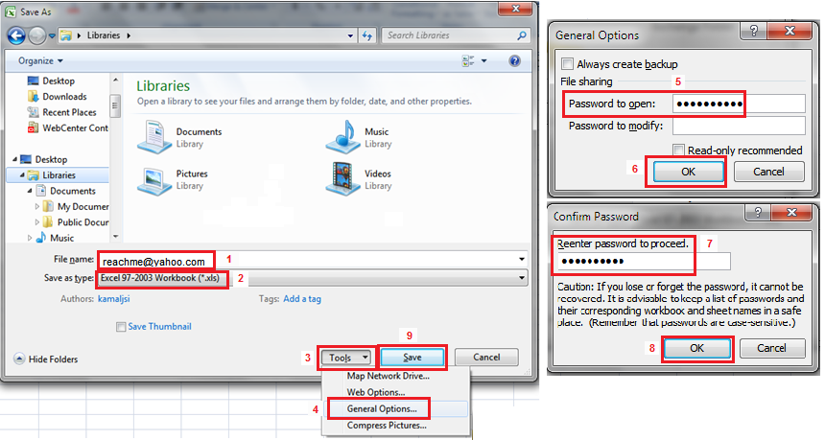
6. Select OK
7. Re-enter the same password
8. Select OK
9. Click on Save button to save the file.
10. Open the file with password and fill the necessary information

Encrypt 'Onboarding Information Form' file with other documents, if needed
Below are instructions to download free software that will enable you to encrypt your multiple documents before emailing them to Oracle.
1. Visit www.7-zip.org/download.html
2. Download Z-Zip 9.20 for Windows
3. Save the 7z920.exe file onto your desktop
4. Double click the icon to install the software
5. Follow the on screen instructions to add the software on your computer.

To encrypt the Onboarding Information Form and scanned pdf documents, follow the next step by step instructions included in this guide
1. Highlight the Onboarding Information Form and scanned documents
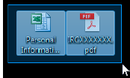

2. Right click either of the two documents, choose 7-Zip, then “Add to archive…”
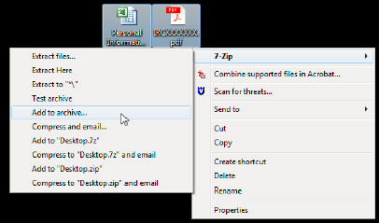

3. Re-name the Archive file
4. Change the Archive format to “7z”
5. Enter the iRecruitment requisition number as the password. The IRC requisition can be found on top of the offer letter. As an example, please see text in the red box in the screenshot below

6. Make sure the Encryption method is set to AES-256
7. Press OK.

Below is a picture of the fields that needs your attention when encrypting your documents. The step number has been included next to the box for convenience.
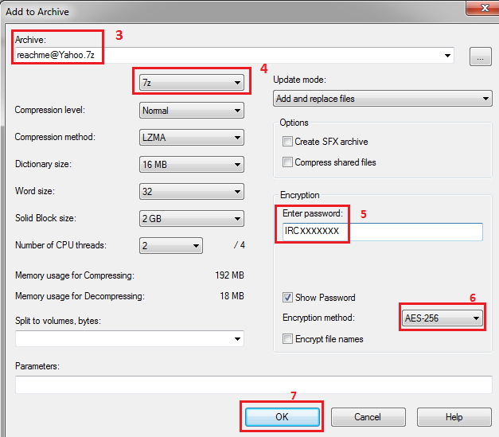

Email the encrypted file to Oracle at onboarding-hrhelpdesk_in@oracle.com. The email subject line should have the IRC Number (located on top of your Offer letter) – Employee’s Full Name; example “IRC1111111 – John Smith”.

Once Oracle receives the required documentation, you will receive an email confirming receipt. If we require any additional information, we will contact you. If you do not receive an email confirmation that your paperwork has been received or a request for additional information after 2 business days, you may reach out to onboarding-hrhelpdesk_in@oracle.com to request a status update on your returned documentation.

